Architecture_Diagram
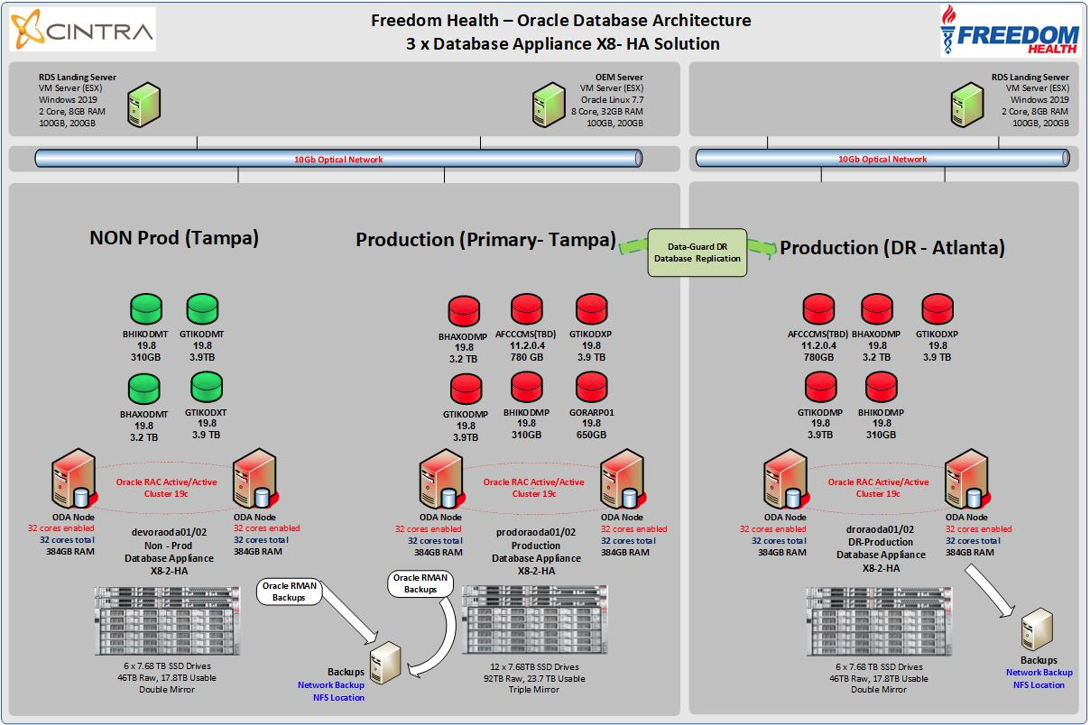

Server performance data
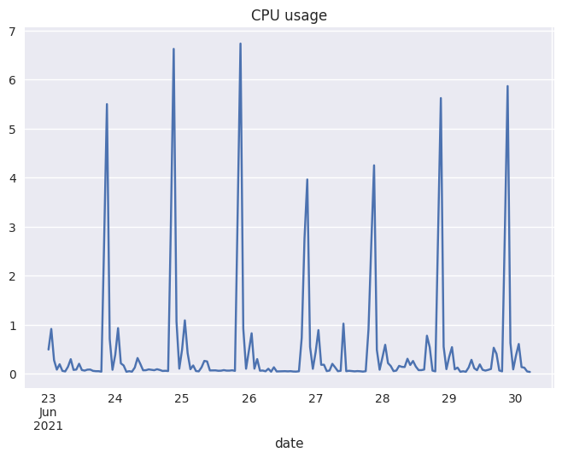
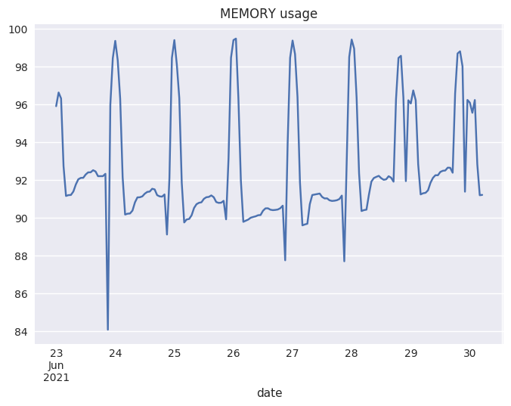
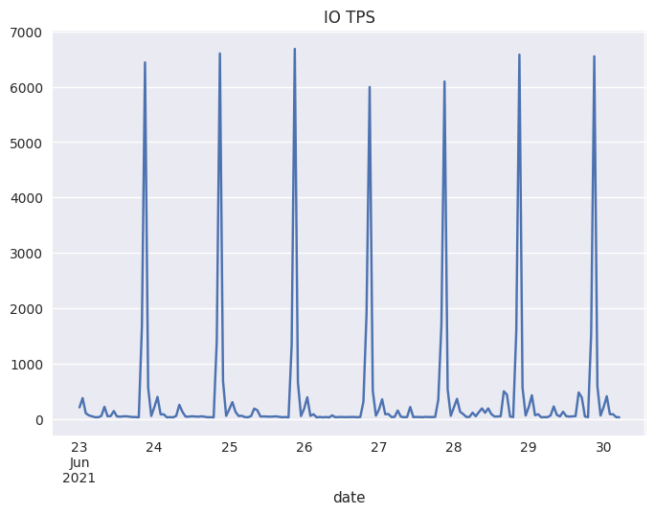
Client Name | FREEDOM
Sensor support period | 2021-09-18/2021-09-29

SAR data has been collected

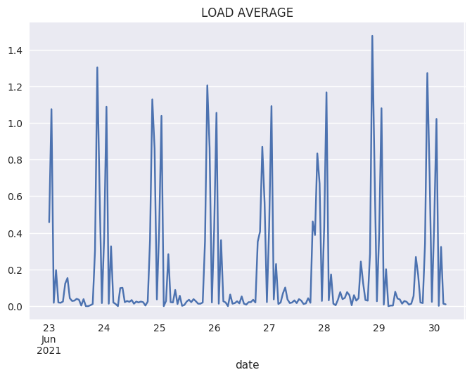
Server | Database | Output
col-afcccms-01 | AFCCCMSP

